Worksheet new
WORKSHEET NO: |  | 1485 03 | bugatti |  | DENIM F/S17 | FASTENER |  |  | NL | S | R | I | P | H | Eng | RO | F 1+2 | Can | SLO | IND | CH
SUPP: |  | 201 | DATE |  | 2016-06-20 |  | OPEN | VELCRO | 1.0 | 2.0 | 0.5 | 1.5 | 1.0 | 0.5 | 2.0 | 0.5 | 2.0 | 0.0 | 0.5 | 0.0 | 0.5
GROUP |  | LAKE | DELIVERY |  |  |  | SNAP | ZIPPER | RK | PD | RB | MI | MOC | RD | MH | PÖ | ML | MZ | SI | PM | LA
STYLE NO: |  | 1485 | DELIVERY TO: |  | Fix in Pirmasens |  | BUCKLE |  | 0.5 | 0.5 | 0.5 | 0.5 | 0.5 | 0.5 | 0.5 | 3.0 | 0.5 | 0.5 | 1.0 | 0.5 | 2.0
COMBINATION : |  | COMBI,03 | ARTICLE |  |  | X | LACES |  | KEY: |  | x = Keyartikel |  |  | 1.0 |  |  |  | SI 1 Pair to AGRA/BALORE
LAST/ SIZE |  | LAKE PH 8185/42 | CODE |  | K2304-6N6-423 |  | SLIP ON |  | Total: |  | 23.0 |  |  | 22.0 |  |  |  | in PS latest 18.07.16
EAS from OLAP: |  | 13 | ORDER NO: |  |  |  | SLIP ON BOOT
UPPER |  | Material |  |  | COLOR | SUPPLIER |  |  | Remark |  | DA
1 |  | SYNTHETIC PU ZL10434 |  |  | NAVY 36 | ZHEN LONG
SYNTHETIC PU HA 1602 WHITE 13 PUNCHED AS PICTURE
2 |  | NYLON 4203B |  |  | NAVY 16 | DONG LI
BUGATTI EMBROIDERY NAVY Z0519
3
3 |  | SYNTHETIC PU 16808 |  |  | CUOIO 10 | ZHONG LIANG
4 |  | SYNTHETIC PU HA 1602 |  |  | WHITE 13 | HAO YU
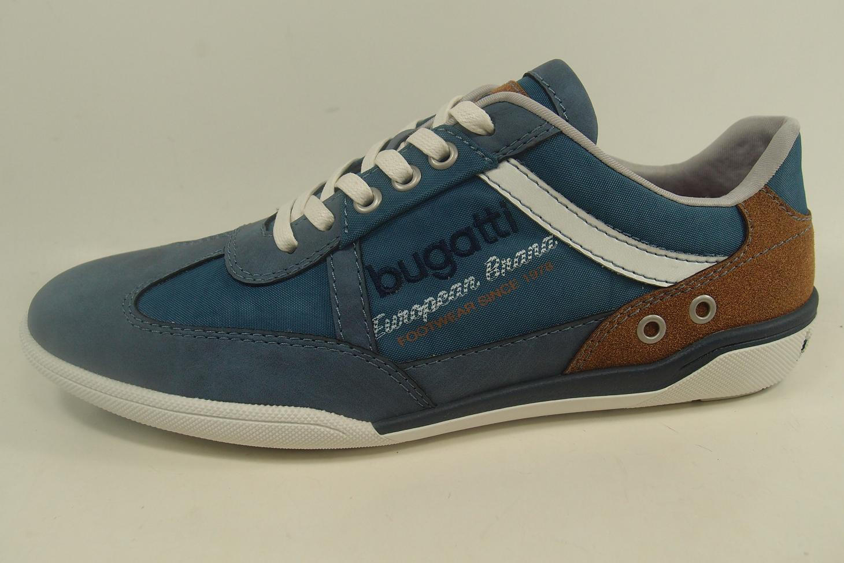
BUGATTI EMBROIDERY WHITE
2
LINING material |  | LYCRA | colour |  | WHITE 737
3 EYELETS ONLY
Supplier |  | HUA CHANG | Composition |  | TEXTYLE
1
BORDER material |  |  | colour
1
Supplier |  |  | Composition
LINING warm (yes/no) |  | NO | EVA CUP (yes/no) |  | BLUE

2
2
4
4
1
INSOCK material |  | MESH/PIGSKIN | colour |  | WHITE/WHITE
Insock Stitching |  | TKT 40 | colour |  | WHITE/NAVY Z0047 ZIGZAG
Supplier |  | 201 | Composition |  | TEXTILE/LEATHER
1
2
3
LABEL INSOCK |  | SCREEN PRINT BUGATTI SUMMER CIRCLE | colour |  | NAVY/COGNAC
1
2
INSOCK warm (yes/no) |  | NO | removable (yes/no) |  | NO
1
SILVER MATT EYELETS
EUROPEAN BRAND COGNAC Z0009
OUTSOLE /NAME |  | LAKE | OUTSOLE /colour |  | 7 WHITE/NAVY
Material |  | TR | Supplier |  | VIRA TRADING
INSOLE |  | SUPER FLEXI | Supplier |  | UNOSHOE COMPONENT
FOOTWEAR SINCE 1978 YELLOW pant 14-0951
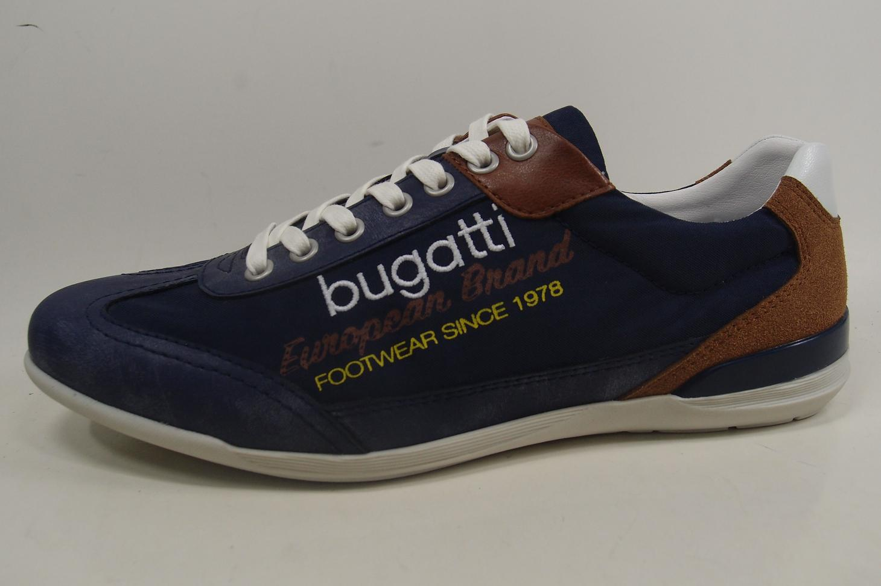
SIDE LOGO |  | EMBRO/SCREEN/PRINT | TOE SPRING |  | 23 MM
 |  |  | HEEL HEIGHT |  | 32 MM
LACES /ELASTIC |  | FLAT | colour |  | OF WHITE
EYELETS |  | 600 | colour |  | SILVER MATT
STITCHING |  | TKT 20 | HAND STITCH. | #1
 | #1 | Z0519 NAVY |  | #2
 | #2 |  |  | #3
DECO STITCHING | #1 | TKT10 | EMBROIDERY |  | WHITE
 | #2 | Z0519 NAVY
 | #3
 | #4
FINISH |  |  | LAST WIDTH
COUNTER STIFFENER |  | THERMOPLAST .9 MM TENOFLEX C-16(SUPP.GTFC) | TOE PUFF |  | PING PONG .5 MM (P55 MALLMINE SUPP.ESKEY)
UPPER HEIGHT |  |  | UPPER WIDTH
HANG TAG |  | BUGATTI DENIM | BUCKLE / VELCRO |  | NO
 |  |  | colour

